PivotTables
Total Ingresos Por Trimestres
Tabla 1: BigPicture de Ingresos |  |  |  |  |  | Tabla 2: BigPicture de Profits |  |  |  |  |  |  |  |  | Año | (All) | Año | (All) | Año | (All)

Suma de TotalIngresos | Etiquetas de columna |  |  |  |  | Suma de TotalProfit |  |  |  |  |  | Row Labels | Suma de TotalIngresos | Suma de TotalProfit | Row Labels | Suma de TotalIngresos | Row Labels | Suma de TotalIngresos | Row Labels | Suma de TotalProfit
Etiquetas de fila | 2011 | 2012 | 2013 | 2014 | Total general |  | 2011 | 2012 | 2013 | 2014 | Total general | 2011 | 12641672.204 | 1626845.8429 | 1 | 26.54% | February | $5,130,074.10 | June | $308,714.66
January |  | $3,970,627.28 | $2,087,872.46 | $4,289,817.95 | $10,348,317.69 | January |  | $278,901.32 | $131,668.84 | $647,468.82 | $1,058,038.98 | 2012 | 33273373.6 | 1565714.961 | 2 | 25.18% | April | $5,713,112.93 | July | $384,097.89
February |  | $1,475,426.91 | $2,316,922.15 | $1,337,725.04 | $5,130,074.10 | February |  | $231,824.68 | $99,385.05 | $553,029.96 | $884,239.68 | 2013 | 43622479.078 | 3354362.9291 | 3 | 24.50% | November | $5,922,672.05 | September | $676,021.18
March |  | $2,975,748.24 | $3,412,068.97 | $7,217,531.07 | $13,605,348.28 | March |  | $302,323.80 | $65,022.94 | $675,665.15 | $1,043,011.89 | 2014 | 20057928.779 | 3442493.6633 | 4 | 23.78% | August | $8,005,418.01 | August | $715,485.84
April |  | $1,383,673.10 | $2,532,265.91 | $1,797,173.92 | $5,713,112.93 | April |  | $217,225.35 | $133,866.49 | $746,490.17 | $1,097,582.02 | Grand Total | 109595453.66 | 9989417.3963 | Grand Total | 100.00% | December | $8,214,754.70 | December | $860,774.72
May | $503,805.92 | $3,074,602.81 | $3,245,623.78 | $5,366,674.96 | $12,190,707.46 | May | $3,705.66 | $130,684.00 | $29,385.88 | $792,473.56 | $956,249.10 |  |  |  |  |  | September | $8,489,134.49 | October | $883,966.25
June | $458,910.82 | $4,099,354.35 | $5,081,069.14 | $49,005.84 | $9,688,340.15 | June | $183,781.26 | -$4,579.62 | $102,147.02 | $27,366.00 | $308,714.66 |  |  |  |  |  | June | $9,688,340.15 | February | $884,239.68
July | $2,044,600.00 | $3,417,953.86 | $4,896,353.75 |  | $10,358,907.62 | July | $228,949.12 | $79,325.51 | $75,823.26 |  | $384,097.89 |  |  |  |  |  | January | $10,348,317.69 | May | $956,249.10
Total Ingresos vs Total Profit
August | $2,495,816.73 | $2,175,637.21 | $3,333,964.06 |  | $8,005,418.01 | August | $213,054.26 | $67,591.47 | $434,840.10 |  | $715,485.84 |  |  |  |  |  | July | $10,358,907.62 | March | $1,043,011.89
September | $502,073.85 | $3,454,151.94 | $4,532,908.70 |  | $8,489,134.49 | September | $200,136.36 | $19,112.45 | $456,772.37 |  | $676,021.18 |  |  |  |  |  | October | $11,928,666.20 | January | $1,058,038.98
October | $4,588,761.81 | $2,544,091.10 | $4,795,813.29 |  | $11,928,666.20 | October | $265,813.04 | $55,642.60 | $562,510.62 |  | $883,966.25 |  |  |  |  |  | May | $12,190,707.46 | April | $1,097,582.02
November | $737,839.82 | $1,872,701.98 | $3,312,130.25 |  | $5,922,672.05 | November | $294,138.89 | $144,957.76 | $682,138.53 |  | $1,121,235.19 |  |  |  |  |  | March | $13,605,348.28 | November | $1,121,235.19
December | $1,309,863.25 | $2,829,404.82 | $4,075,486.62 |  | $8,214,754.70 | December | $237,267.25 | $42,705.64 | $580,801.83 |  | $860,774.72 |  |  |  |  |  | Grand Total | $109,595,453.66 | Grand Total | $9,989,417.40
Ranking Ingresos Totales (En Millones)
Ranking Profit Totales (En Miles)
Total general | $12,641,672.20 | $33,273,373.60 | $43,622,479.08 | $20,057,928.78 | $109,595,453.66 | Total general | $1,626,845.84 | $1,565,714.96 | $3,354,362.93 | $3,442,493.66 | $9,989,417.40
Ingresos Totales (En Millones)
 | 2011 | 2012 | 2013 | 2014
January |  | $3,970,627.28 | $2,087,872.46 | $4,289,817.95
February |  | $1,475,426.91 | $2,316,922.15 | $1,337,725.04
March |  | $2,975,748.24 | $3,412,068.97 | $7,217,531.07
April |  | $1,383,673.10 | $2,532,265.91 | $1,797,173.92
May | $503,805.92 | $3,074,602.81 | $3,245,623.78 | $5,366,674.96
June | $458,910.82 | $4,099,354.35 | $5,081,069.14 | $49,005.84
July | $2,044,600.00 | $3,417,953.86 | $4,896,353.75
August | $2,495,816.73 | $2,175,637.21 | $3,333,964.06
September | $502,073.85 | $3,454,151.94 | $4,532,908.70
October | $4,588,761.81 | $2,544,091.10 | $4,795,813.29
November | $737,839.82 | $1,872,701.98 | $3,312,130.25
December | $1,309,863.25 | $2,829,404.82 | $4,075,486.62
Profit Total (En Miles)
 | 2011 | 2012 | 2013 | 2014
January |  | $278,901.32 | $131,668.84 | $647,468.82
February |  | $231,824.68 | $99,385.05 | $553,029.96
March |  | $302,323.80 | $65,022.94 | $675,665.15
April |  | $217,225.35 | $133,866.49 | $746,490.17
May | $3,705.66 | $130,684.00 | $29,385.88 | $792,473.56
June | $183,781.26 | -$4,579.62 | $102,147.02 | $27,366.00
July | $228,949.12 | $79,325.51 | $75,823.26
August | $213,054.26 | $67,591.47 | $434,840.10
September | $200,136.36 | $19,112.45 | $456,772.37
October | $265,813.04 | $55,642.60 | $562,510.62
November | $294,138.89 | $144,957.76 | $682,138.53
December | $237,267.25 | $42,705.64 | $580,801.83

Total Profit Por Trimestres

 |  |  |  |  |  |  |  |  |  |  |  |  |  |  | Año | (All)

 |  |  |  |  |  |  |  |  |  |  |  |  |  |  | Row Labels | Suma de TotalProfit
 |  |  |  |  |  |  |  |  |  |  |  |  |  |  | 1 | 29.88%
 |  |  |  |  |  |  |  |  |  |  |  |  |  |  | 2 | 23.65%
 |  |  |  |  |  |  |  |  |  |  |  |  |  |  | 3 | 17.77%
 |  |  |  |  |  |  |  |  |  |  |  |  |  |  | 4 | 28.69%
 |  |  |  |  |  |  |  |  |  |  |  |  |  |  | Grand Total | 100.00%

Crecimiento Interanual Ingresos
 | Total
2011
2012 | 163.20%
2013 | 31.10%
2014 | -54.02%
Tabla: Porcentajes de crecimiento de ingresos respecto a periodo anterior

Etiquetas de fila | Suma de TotalIngresos2
2011
2012 | 163.20%
2013 | 31.10%
2014 | -54.02%
Total general

Dashboard
Datos de Ingresos y Rentabilidad
Ingresos Totales (En Millones)
 | 2011 | 2012 | 2013 | 2014
January |  | $3,970,627.28 | $2,087,872.46 | $4,289,817.95
February |  | $1,475,426.91 | $2,316,922.15 | $1,337,725.04
March |  | $2,975,748.24 | $3,412,068.97 | $7,217,531.07
April |  | $1,383,673.10 | $2,532,265.91 | $1,797,173.92
May | $503,805.92 | $3,074,602.81 | $3,245,623.78 | $5,366,674.96
June | $458,910.82 | $4,099,354.35 | $5,081,069.14 | $49,005.84
July | $2,044,600.00 | $3,417,953.86 | $4,896,353.75
August | $2,495,816.73 | $2,175,637.21 | $3,333,964.06
September | $502,073.85 | $3,454,151.94 | $4,532,908.70
October | $4,588,761.81 | $2,544,091.10 | $4,795,813.29
November | $737,839.82 | $1,872,701.98 | $3,312,130.25
December | $1,309,863.25 | $2,829,404.82 | $4,075,486.62
AdventureWorks
Profit Total (En Miles)
 | 2011 | 2012 | 2013 | 2014
January |  | $278,901.32 | $131,668.84 | $647,468.82
February |  | $231,824.68 | $99,385.05 | $553,029.96
March |  | $302,323.80 | $65,022.94 | $675,665.15
April |  | $217,225.35 | $133,866.49 | $746,490.17
May | $3,705.66 | $130,684.00 | $29,385.88 | $792,473.56
June | $183,781.26 | -$4,579.62 | $102,147.02 | $27,366.00
July | $228,949.12 | $79,325.51 | $75,823.26
August | $213,054.26 | $67,591.47 | $434,840.10
September | $200,136.36 | $19,112.45 | $456,772.37
October | $265,813.04 | $55,642.60 | $562,510.62
November | $294,138.89 | $144,957.76 | $682,138.53
December | $237,267.25 | $42,705.64 | $580,801.83

Total Ingresos vs Total Profit
 | Suma de TotalIngresos | Suma de TotalProfit
2011 | 12641672.204 | 1626845.8429
2012 | 33273373.6 | 1565714.961
2013 | 43622479.078 | 3354362.9291
2014 | 20057928.779 | 3442493.6633

Ranking Ingresos Totales (En Millones)
 | Total
February | $5,130,074.10
April | $5,713,112.93
November | $5,922,672.05
August | $8,005,418.01
December | $8,214,754.70
September | $8,489,134.49
June | $9,688,340.15
January | $10,348,317.69
July | $10,358,907.62
October | $11,928,666.20
May | $12,190,707.46
March | $13,605,348.28
Ranking Profit Totales (En Miles)
 | Total
June | $308,714.66
July | $384,097.89
September | $676,021.18
August | $715,485.84
December | $860,774.72
October | $883,966.25
February | $884,239.68
May | $956,249.10
March | $1,043,011.89
January | $1,058,038.98
April | $1,097,582.02
November | $1,121,235.19
Total Ingresos Por Trimestres
 | Total
1 | 26.54%
2 | 25.18%
3 | 24.50%
4 | 23.78%
Total Profit Por Trimestres
 | Total
1 | 29.88%
2 | 23.65%
3 | 17.77%
4 | 28.69%

Ingresos
Ingresos Totales (En Millones)
 | 2011 | 2012 | 2013 | 2014
January |  | $3,970,627.28 | $2,087,872.46 | $4,289,817.95
February |  | $1,475,426.91 | $2,316,922.15 | $1,337,725.04
March |  | $2,975,748.24 | $3,412,068.97 | $7,217,531.07
April |  | $1,383,673.10 | $2,532,265.91 | $1,797,173.92
May | $503,805.92 | $3,074,602.81 | $3,245,623.78 | $5,366,674.96
June | $458,910.82 | $4,099,354.35 | $5,081,069.14 | $49,005.84
July | $2,044,600.00 | $3,417,953.86 | $4,896,353.75
August | $2,495,816.73 | $2,175,637.21 | $3,333,964.06
September | $502,073.85 | $3,454,151.94 | $4,532,908.70
October | $4,588,761.81 | $2,544,091.10 | $4,795,813.29
November | $737,839.82 | $1,872,701.98 | $3,312,130.25
December | $1,309,863.25 | $2,829,404.82 | $4,075,486.62
Ranking Ingresos Totales (En Millones)
 | Total
February | $5,130,074.10
April | $5,713,112.93
November | $5,922,672.05
August | $8,005,418.01
December | $8,214,754.70
September | $8,489,134.49
June | $9,688,340.15
January | $10,348,317.69
July | $10,358,907.62
October | $11,928,666.20
May | $12,190,707.46
March | $13,605,348.28
Total Ingresos Por Trimestres
 | Total
1 | 26.54%
2 | 25.18%
3 | 24.50%
4 | 23.78%

Total Ingresos vs Total Profit
 | Suma de TotalIngresos | Suma de TotalProfit
2011 | 12641672.204 | 1626845.8429
2012 | 33273373.6 | 1565714.961
2013 | 43622479.078 | 3354362.9291
2014 | 20057928.779 | 3442493.6633

Profit
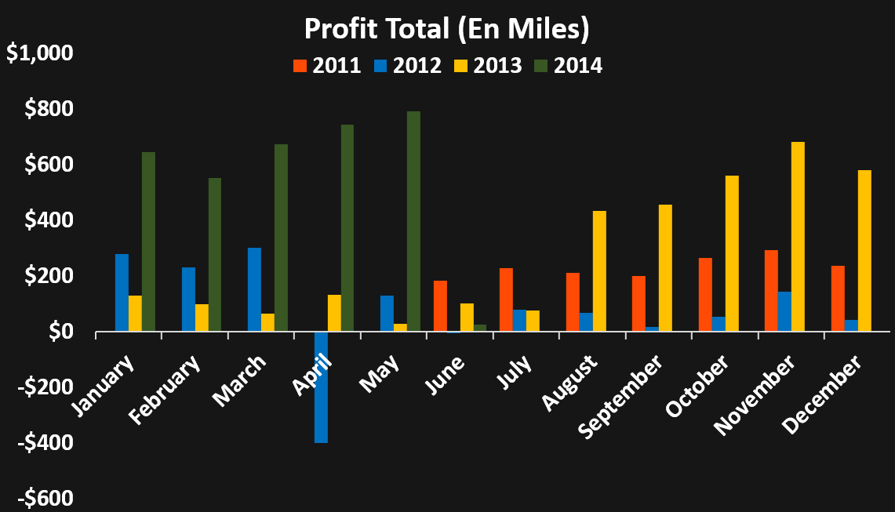

Total Ingresos vs Total Profit
 | Suma de TotalIngresos | Suma de TotalProfit
2011 | 12641672.204 | 1626845.8429
2012 | 33273373.6 | 1565714.961
2013 | 43622479.078 | 3354362.9291
2014 | 20057928.779 | 3442493.6633

Total Profit Por Trimestres
 | Total
1 | 29.88%
2 | 23.65%
3 | 17.77%
4 | 28.69%

Profit Total (En Miles)
 | 2011 | 2012 | 2013 | 2014
January |  | $278,901.32 | $131,668.84 | $647,468.82
February |  | $231,824.68 | $99,385.05 | $553,029.96
March |  | $302,323.80 | $65,022.94 | $675,665.15
April |  | $217,225.35 | $133,866.49 | $746,490.17
May | $3,705.66 | $130,684.00 | $29,385.88 | $792,473.56
June | $183,781.26 | -$4,579.62 | $102,147.02 | $27,366.00
July | $228,949.12 | $79,325.51 | $75,823.26
August | $213,054.26 | $67,591.47 | $434,840.10
September | $200,136.36 | $19,112.45 | $456,772.37
October | $265,813.04 | $55,642.60 | $562,510.62
November | $294,138.89 | $144,957.76 | $682,138.53
December | $237,267.25 | $42,705.64 | $580,801.83
Ranking Profit Totales (En Miles)
 | Total
June | $308,714.66
July | $384,097.89
September | $676,021.18
August | $715,485.84
December | $860,774.72
October | $883,966.25
February | $884,239.68
May | $956,249.10
March | $1,043,011.89
January | $1,058,038.98
April | $1,097,582.02
November | $1,121,235.19

